Sheet1
Bug_Id | Bug_Description | Prerequisits | Steps to Reproduce Bug | Test Data | Expected Result | Actual Result | Attachments | Comments
BG_001 | User is not able to register | Open the Browser and enter the URL : https://write-wave-gamma.vercel.app/ | 1. Open the Website Url and go to the registration page and then enter the data in the each field | username- abc , password-abc | User should be able to register | 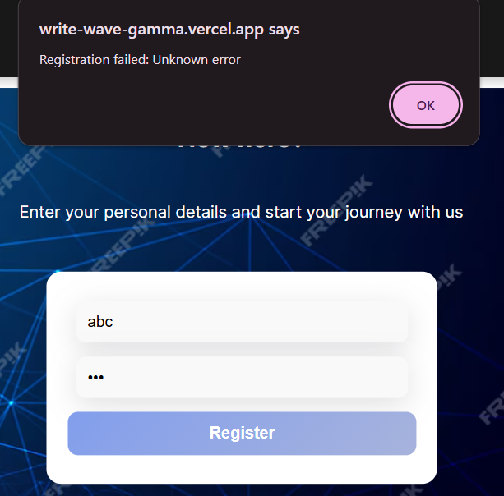 User is not able to register |  | It is a blocker bug which will impact the whole application very severely
BG_002 | Footer Link of About is not working | Open the Browser and enter the URL : https://write-wave-gamma.vercel.app/ | 1.Open the Website Url and scroll down to the footer and then click on the about link | N/A | User should be able to open the About Link | User is not able to open the About Link
BG_003 | User is not able to Post their content | Open the Browser and enter the URL : https://write-wave-gamma.vercel.app/ | 1.Open the Website and go on the start writing post option | *Post Content | User should able to write the post | 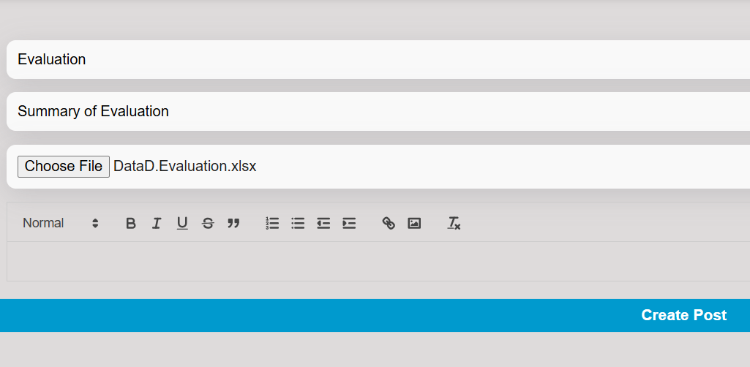 User is not able to write the post
BG_004 | UI/UX is not user friendly of the Web Application | Open the Browser and enter the URL : https://write-wave-gamma.vercel.app/ | 1.Open the Browser and go the Website | N/A | UI/UX should be user friendly | UI/UX should is not user friendly
BG_005 | Join Community Button is not Working | Open the Browser and enter the URL : https://write-wave-gamma.vercel.app/ | 1.Open the Website Url and scroll down to the Join Blogging Community Button | N/A | User should be able to click and join the blogging community | User is not able to click and join the blogging community
BG_006 | Post Content button is not working | Open the Browser and enter the URL : https://write-wave-gamma.vercel.app/ | 1.Open the Website and go on the start writing post option and write a post and click on the post button | N/A | User should be able to click on the post button | User is not able to click on the post button
BG_007 | Footer Privacy Policy link is not working | Open the Browser and enter the URL : https://write-wave-gamma.vercel.app/ | 1.Open the Website Url and scroll down to the footer and then click on the Privacy Policy link | N/A | User should be able to open the Privacy Policy Link | User is not able to open the Privacy Policy Link | 